Fouquet_2006
Fouquet & Pearson (2006) - Seven Centuries of Energy Services The Price and Use of Light in the United Kingdom (1300-2000)
https://www.researchgate.net/publication/227349575_Seven_Centuries_of_Energy_Services_The_Price_and_Use_of_Light_in_the_United_Kingdom_1300-2000
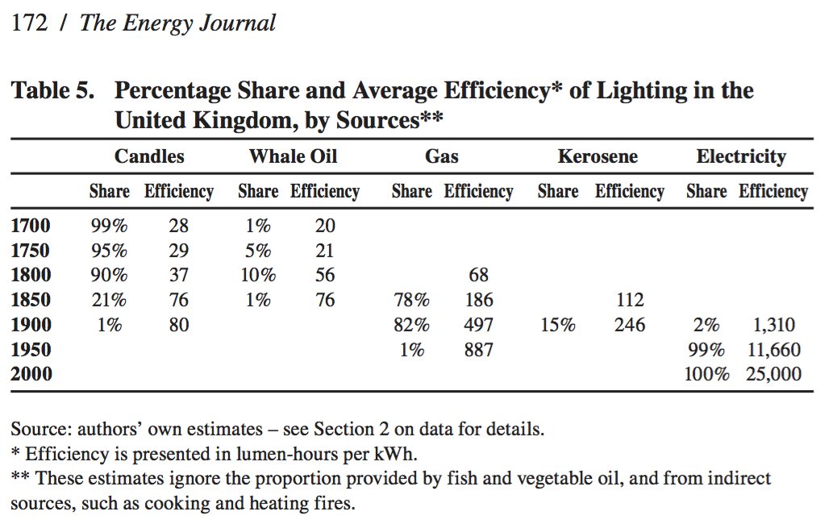

 | Year | Machine | Efficiency [lumen-hours per kWh] | Luminous Efficacy [lm/W] | Efficiency [-]
 | 1950 | Town gas lamps | 887 | 0.887 | 0.18%

 |  |  |  |  |  | 6,170 | 5,247 | 4,144 | 3,183 | 2,406 | 1,628 | 1,223 | 732 | 394 | 196 | 178 | 109 | 0
 |  |  |  |  |  | 49 | 42 | 34 | 26 | 20 | 14 | 10 | 6 | 3 | 2 | 2 | 1 | 0

 |  |  |  |  |  | 6,170 | 5,247 | 4,144 | 3,183 | 2,406 | 1,628 | 1,223 | 732 | 394 | 196 | 178 | 109 | 0
 |  |  |  |  |  | 49 | 42 | 34 | 26 | 20 | 14 | 10 | 6 | 3 | 2 | 2 | 1 | 0

 |  |  |  |  |  | 6,170 | 5,247 | 4,144 | 3,183 | 2,406 | 1,628 | 1,223 | 732 | 394 | 196 | 178 | 109 | 0
 |  |  |  |  |  | 49 | 42 | 34 | 26 | 20 | 14 | 10 | 6 | 3 | 2 | 2 | 1 | 0

 |  |  |  |  |  | 6,170 | 5,247 | 4,144 | 3,183 | 2,406 | 1,628 | 1,223 | 732 | 394 | 196 | 178 | 109 | 0
 |  |  |  |  |  | 49 | 42 | 34 | 26 | 20 | 14 | 10 | 6 | 3 | 2 | 2 | 1 | 0

 |  |  |  |  |  | 6,170 | 5,247 | 4,144 | 3,183 | 2,406 | 1,628 | 1,223 | 732 | 394 | 196 | 178 | 109 | 0
 |  |  |  |  |  | 49 | 42 | 34 | 26 | 20 | 14 | 10 | 6 | 3 | 2 | 2 | 1 | 0

 |  |  |  |  |  | 6,170 | 5,247 | 4,144 | 3,183 | 2,406 | 1,628 | 1,223 | 732 | 394 | 196 | 178 | 109 | 0
 |  |  |  |  |  | 49 | 42 | 34 | 26 | 20 | 14 | 10 | 6 | 3 | 2 | 2 | 1 | 0

 |  |  |  |  |  | 6,170 | 5,247 | 4,144 | 3,183 | 2,406 | 1,628 | 1,223 | 732 | 394 | 196 | 178 | 109 | 0
 |  |  |  |  |  | 49 | 42 | 34 | 26 | 20 | 14 | 10 | 6 | 3 | 2 | 2 | 1 | 0

 |  |  |  |  |  | 6,170 | 5,247 | 4,144 | 3,183 | 2,406 | 1,628 | 1,223 | 732 | 394 | 196 | 178 | 109 | 0
 |  |  |  |  |  | 49 | 42 | 34 | 26 | 20 | 14 | 10 | 6 | 3 | 2 | 2 | 1 | 0

 |  |  |  |  |  | 6,170 | 5,247 | 4,144 | 3,183 | 2,406 | 1,628 | 1,223 | 732 | 394 | 196 | 178 | 109 | 0
 |  |  |  |  |  | 49 | 42 | 34 | 26 | 20 | 14 | 10 | 6 | 3 | 2 | 2 | 1 | 0

 |  |  |  |  |  | 6,170 | 5,247 | 4,144 | 3,183 | 2,406 | 1,628 | 1,223 | 732 | 394 | 196 | 178 | 109 | 0
 |  |  |  |  |  | 49 | 42 | 34 | 26 | 20 | 14 | 10 | 6 | 3 | 2 | 2 | 1 | 0

 |  |  |  |  |  | 6,170 | 5,247 | 4,144 | 3,183 | 2,406 | 1,628 | 1,223 | 732 | 394 | 196 | 178 | 109 | 0
 |  |  |  |  |  | 49 | 42 | 34 | 26 | 20 | 14 | 10 | 6 | 3 | 2 | 2 | 1 | 0

 |  |  |  |  |  | 6,170 | 5,247 | 4,144 | 3,183 | 2,406 | 1,628 | 1,223 | 732 | 394 | 196 | 178 | 109 | 0
 |  |  |  |  |  | 49 | 42 | 34 | 26 | 20 | 14 | 10 | 6 | 3 | 2 | 2 | 1 | 0

 |  |  |  |  |  | 6,170 | 5,247 | 4,144 | 3,183 | 2,406 | 1,628 | 1,223 | 732 | 394 | 196 | 178 | 109 | 0
 |  |  |  |  |  | 49 | 42 | 34 | 26 | 20 | 14 | 10 | 6 | 3 | 2 | 2 | 1 | 0

 |  |  |  |  |  | 6,170 | 5,247 | 4,144 | 3,183 | 2,406 | 1,628 | 1,223 | 732 | 394 | 196 | 178 | 109 | 0
 |  |  |  |  |  | 49 | 42 | 34 | 26 | 20 | 14 | 10 | 6 | 3 | 2 | 2 | 1 | 0

